Sheet1
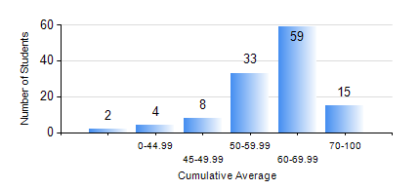
 |  |  | KWAME NKRUMAH UNIVERSITY OF SCIENCE AND TECHNOLOGY, KUMASI Department of Geological Engineering

 |  |  | BSC. GEOLOGICAL ENG.

 |  |  | COMPREHENSIVE RECORD OF EXAMINATION RESULTS

 |  |  | RESULTS OF YEAR 2 FIRST SEMESTER, 2018/2019 ACADEMIC YEAR

 | Sn | Course Code |  | Course Name | Credit Hours | Min. Mark | Max. Mark | Avg. Mark | Std. Dev. | No. Passed | No. Trailed | No. (Df) | No. (I) | No. (I*) | No. Tagged(I,I*,Df) | Total
 | 0. |  |  |  |  |  |  | 0 | 0 | 0 | 0 | 0 | 0 | 0 | 0 | 10
 | 1. | CE 251 |  | STRENGTH OF MATERIALS | 2 | 3 | 90 | 64 | 16.68 | 107 | 4 | 0 | 0 | 0 | 0 | 111
 | 2. | CE 255 |  | THEORY OF STRUCTURES | 3 | 0 | 100 | 54 | 17.32 | 99 | 12 | 0 | 0 | 0 | 0 | 111
 | 3. | CENG 291 |  | ENGINEERING IN SOCIETY | 2 | 40 | 81 | 64 | 7.94 | 111 | 0 | 0 | 0 | 0 | 0 | 111
 | 4. | GED 251 |  | MINERALOGY | 3 | 23 | 76 | 58 | 9.55 | 107 | 4 | 0 | 0 | 0 | 0 | 111
 | 5. | GED 253 |  | PHYSICAL GEOLOGY | 3 | 40 | 89 | 69 | 11.66 | 111 | 0 | 0 | 0 | 0 | 0 | 111
 | 6. | GED 267 |  | COMPUTER PROGRAMMING | 2 | 18 | 91 | 65 | 14.02 | 110 | 1 | 0 | 0 | 0 | 0 | 111
 | 7. | MATH 251 |  | DIFFERENTIAL EQUATIONS | 4 | 22 | 81 | 55 | 11.8 | 103 | 8 | 0 | 0 | 0 | 0 | 111

